Captive Details
DOC Fault Detection Timing Robustness IT Captive Diagram

Telestra Lab - Photonic and Shelf level Current View

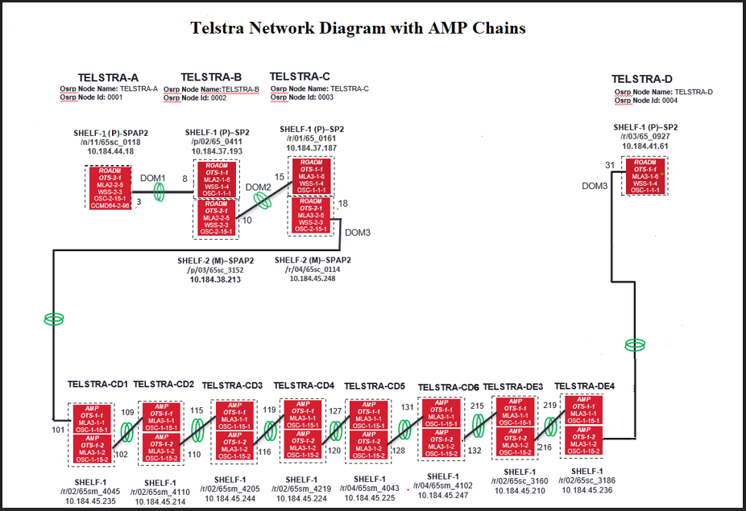

 | Coverage:
 |  | 1 | ROADM with SP2 and SPAP2
 |  | 2 | 8 AMP Chains - MLA3-MLA3 with SPAP2
 |  | 3 | WSS1x9 ROADM
 |  | 4 | WSS1x20 ROADM
 |  | 5 | 125 Channels

